Sheet1
 | Document No. |  | Issue No. | Issue Date |  | Review and Replace Date |  |  | Authorised By
 | GFF266MC |  | 2 | 26.05.2021 |  | 10.06.2021
 | Document Title |  | Panang Chicken with Jasmine Rice 400g
 |  |  |  |  |  |  |  |  | Magda Shah
Document amendments reason for change | Nisa customer added |  | Page 1 of 1 |  | Previous Issue Date |  | 26.05.2021 |  | Uncontrolled copy unless signed original

CCPANCR-R6TCC & CCPANCR-R4TCC |  | DUNNES & NISA (CC) |  |  | Panang Chicken with Jasmine Rice 400g | CHILLED
STEP 1 |  |  | STEP 2 |  |  |  | STEP 3
 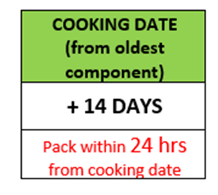 |  |  | 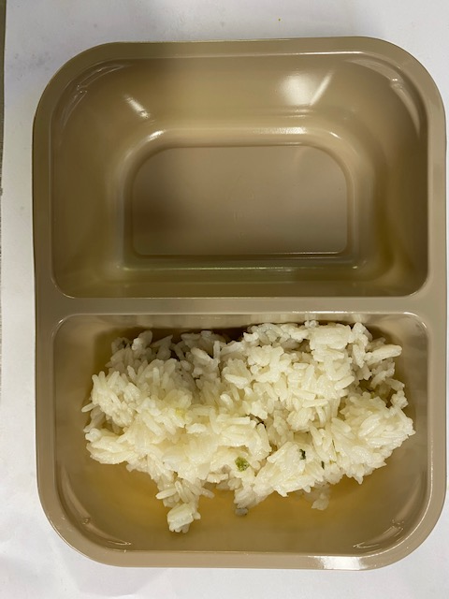 |  |  |  | 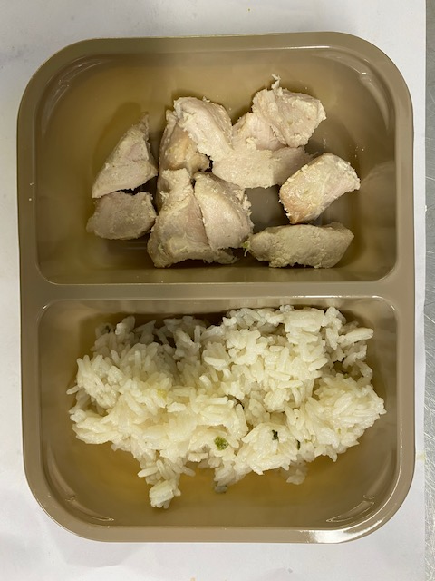

Tray: Evolve CPET 2200-2F (PKRHP001-10) |  |  | Jasmine Rice (GFF162R): 160g |  |  |  | British Diced Breast chicken 12-14g (GFF164R): 80g
Line 1: Mylar 250LAF 250mm x 1000 (PKWRA001-08)
Line 1: K-Peel 75G + AF 25 250mm (PKKMP001-01)
Line 2: Mylar 25OLAF - 380mm wide (PKWRA001-02)
STEP 3 |  |  | STEP 4 |  |  |  | STEP 5
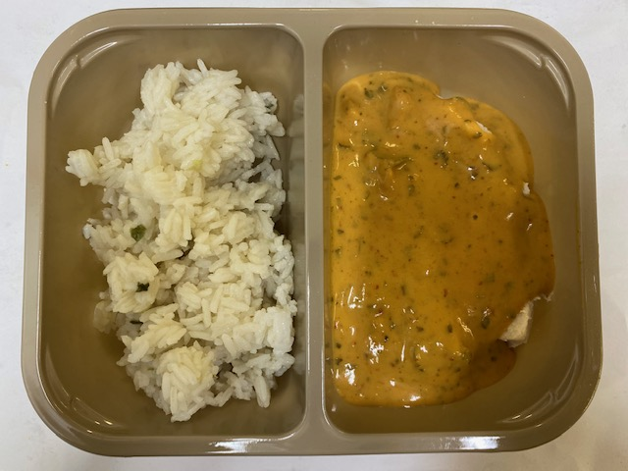 |  |  | 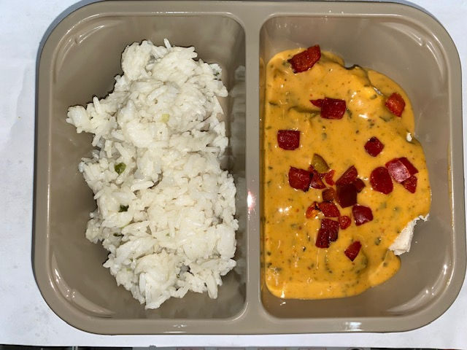 |  |  |  | 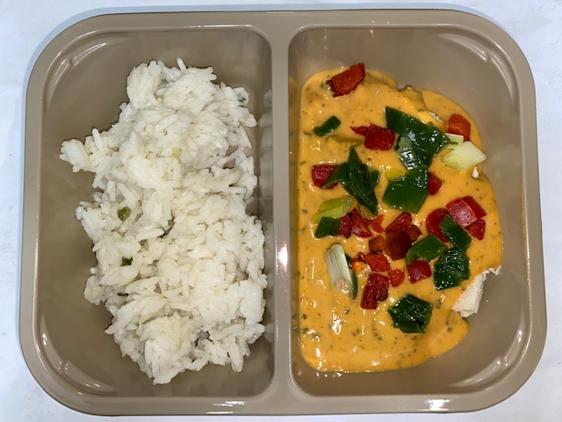

Panang Curry Sauce (GFF199R): 150g |  |  | Grilled Roasted Red Peppers Diced 10MM (RMBOW003-03): 5g |  |  |  | Stir Fried Diced Spring Onions 10MM (GFF200R): 5g

ALLERGY ALERT: BARLEY, CRUSTACEAN, FISH, SESAME, SOYA, WHEAT |  |  |  |  |  |  |  | TOTAL WEIGHT: 400G

